TOTAL
Alkalmazott szűrők: Highlighted nem egyezik ezzel: (Üres) Arrival_date ekkori vagy későbbi a következőnél: 2026.05.25. 0:00:00 és dátuma korábbi, mint 2026.06.01. 0:00:00 Mandatory egyezik ezzel: Yes LSP egyezik ezzel: Maersk Canceled_shipment egyezik ezzel: N

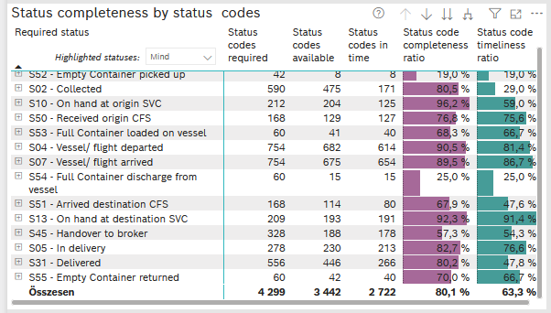
Required status | STATUS_TYPE | Service_Provider | Status codes required | Status codes available | Status codes in time | Status code completeness ratio | Status code timeliness ratio
S60 - Pre-Booking confirmed | Actual | 0000056066 - Maersk | 60 | 0 | 0 | 0.0 % | 0.0 %
S52 - Empty Container picked up | Actual | 0000056066 - Maersk | 42 | 8 | 8 | 19.0 % | 19.0 %
S02 - Collected | Actual | 0000056066 - Maersk | 316 | 249 | 171 | 78.8 % | 54.1 %
S02 - Collected | Estimated | 0000056066 - Maersk | 274 | 226 | 0 | 82.5 % | 0.0 %
S10 - On hand at origin SVC | Actual | 0000056066 - Maersk | 212 | 204 | 125 | 96.2 % | 59.0 %
S50 - Received origin CFS | Actual | 0000056066 - Maersk | 168 | 129 | 127 | 76.8 % | 75.6 %
S53 - Full Container loaded on vessel | Actual | 0000056066 - Maersk | 60 | 41 | 40 | 68.3 % | 66.7 %
S04 - Vessel/ flight departed | Actual | 0000056066 - Maersk | 377 | 346 | 335 | 91.8 % | 88.9 %
S04 - Vessel/ flight departed | Estimated | 0000056066 - Maersk | 377 | 336 | 279 | 89.1 % | 74.0 %
S07 - Vessel/ flight arrived | Actual | 0000056066 - Maersk | 377 | 340 | 329 | 90.2 % | 87.3 %
S07 - Vessel/ flight arrived | Estimated | 0000056066 - Maersk | 377 | 335 | 325 | 88.9 % | 86.2 %
S54 - Full Container discharge from vessel | Actual | 0000056066 - Maersk | 60 | 15 | 15 | 25.0 % | 25.0 %
S51 - Arrived destination CFS | Actual | 0000056066 - Maersk | 168 | 114 | 80 | 67.9 % | 47.6 %
S13 - On hand at destination SVC | Actual | 0000056066 - Maersk | 209 | 193 | 191 | 92.3 % | 91.4 %
S45 - Handover to broker | Actual | 0000056066 - Maersk | 164 | 107 | 106 | 65.2 % | 64.6 %
S45 - Handover to broker | Estimated | 0000056066 - Maersk | 164 | 81 | 72 | 49.4 % | 43.9 %
S05 - In delivery | Actual | 0000056066 - Maersk | 278 | 230 | 213 | 82.7 % | 76.6 %
S31 - Delivered | Actual | 0000056066 - Maersk | 278 | 219 | 106 | 78.8 % | 38.1 %
S31 - Delivered | Estimated | 0000056066 - Maersk | 278 | 227 | 160 | 81.7 % | 57.6 %
S55 - Empty Container returned | Actual | 0000056066 - Maersk | 60 | 42 | 40 | 70.0 % | 66.7 %

BCO
Alkalmazott szűrők: Highlighted nem egyezik ezzel: (Üres) Arrival_date ekkori vagy későbbi a következőnél: 2026.05.25. 0:00:00 és dátuma korábbi, mint 2026.06.01. 0:00:00 Mandatory egyezik ezzel: Yes LSP egyezik ezzel: Maersk Service_Load egyezik ezzel: BCO Canceled_shipment egyezik ezzel: N

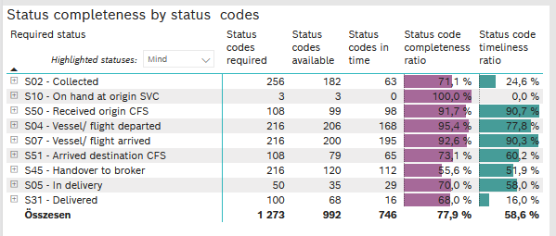
Required status | STATUS_TYPE | Service_Provider | Status codes required | Status codes available | Status codes in time | Status code completeness ratio | Status code timeliness ratio
S02 - Collected | Actual | 0000056066 - Maersk | 128 | 91 | 63 | 71.1 % | 49.2 %
S02 - Collected | Estimated | 0000056066 - Maersk | 128 | 91 | 0 | 71.1 % | 0.0 %
S10 - On hand at origin SVC | Actual | 0000056066 - Maersk | 3 | 3 | 0 | 100.0 % | 0.0 %
S50 - Received origin CFS | Actual | 0000056066 - Maersk | 108 | 99 | 98 | 91.7 % | 90.7 %
S04 - Vessel/ flight departed | Actual | 0000056066 - Maersk | 108 | 102 | 102 | 94.4 % | 94.4 %
S04 - Vessel/ flight departed | Estimated | 0000056066 - Maersk | 108 | 104 | 66 | 96.3 % | 61.1 %
S07 - Vessel/ flight arrived | Actual | 0000056066 - Maersk | 108 | 103 | 100 | 95.4 % | 92.6 %
S07 - Vessel/ flight arrived | Estimated | 0000056066 - Maersk | 108 | 97 | 95 | 89.8 % | 88.0 %
S51 - Arrived destination CFS | Actual | 0000056066 - Maersk | 108 | 79 | 65 | 73.1 % | 60.2 %
S45 - Handover to broker | Actual | 0000056066 - Maersk | 108 | 68 | 67 | 63.0 % | 62.0 %
S45 - Handover to broker | Estimated | 0000056066 - Maersk | 108 | 52 | 45 | 48.1 % | 41.7 %
S05 - In delivery | Actual | 0000056066 - Maersk | 50 | 35 | 29 | 70.0 % | 58.0 %
S31 - Delivered | Actual | 0000056066 - Maersk | 50 | 36 | 16 | 72.0 % | 32.0 %
S31 - Delivered | Estimated | 0000056066 - Maersk | 50 | 32 | 0 | 64.0 % | 0.0 %

FCL
Alkalmazott szűrők: Highlighted nem egyezik ezzel: (Üres) Arrival_date ekkori vagy későbbi a következőnél: 2026.05.25. 0:00:00 és dátuma korábbi, mint 2026.06.01. 0:00:00 Mandatory egyezik ezzel: Yes LSP egyezik ezzel: Maersk Service_Load egyezik ezzel: FCL Canceled_shipment egyezik ezzel: N

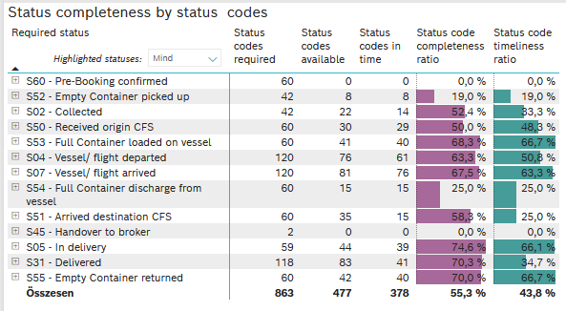
Required status | STATUS_TYPE | Service_Provider | Status codes required | Status codes available | Status codes in time | Status code completeness ratio | Status code timeliness ratio
S60 - Pre-Booking confirmed | Actual | 0000056066 - Maersk | 60 | 0 | 0 | 0.0 % | 0.0 %
S52 - Empty Container picked up | Actual | 0000056066 - Maersk | 42 | 8 | 8 | 19.0 % | 19.0 %
S02 - Collected | Actual | 0000056066 - Maersk | 42 | 22 | 14 | 52.4 % | 33.3 %
S50 - Received origin CFS | Actual | 0000056066 - Maersk | 60 | 30 | 29 | 50.0 % | 48.3 %
S53 - Full Container loaded on vessel | Actual | 0000056066 - Maersk | 60 | 41 | 40 | 68.3 % | 66.7 %
S04 - Vessel/ flight departed | Actual | 0000056066 - Maersk | 60 | 42 | 42 | 70.0 % | 70.0 %
S04 - Vessel/ flight departed | Estimated | 0000056066 - Maersk | 60 | 34 | 19 | 56.7 % | 31.7 %
S07 - Vessel/ flight arrived | Actual | 0000056066 - Maersk | 60 | 43 | 40 | 71.7 % | 66.7 %
S07 - Vessel/ flight arrived | Estimated | 0000056066 - Maersk | 60 | 38 | 36 | 63.3 % | 60.0 %
S54 - Full Container discharge from vessel | Actual | 0000056066 - Maersk | 60 | 15 | 15 | 25.0 % | 25.0 %
S51 - Arrived destination CFS | Actual | 0000056066 - Maersk | 60 | 35 | 15 | 58.3 % | 25.0 %
S45 - Handover to broker | Actual | 0000056066 - Maersk | 1 | 0 | 0 | 0.0 % | 0.0 %
S45 - Handover to broker | Estimated | 0000056066 - Maersk | 1 | 0 | 0 | 0.0 % | 0.0 %
S05 - In delivery | Actual | 0000056066 - Maersk | 59 | 44 | 39 | 74.6 % | 66.1 %
S31 - Delivered | Actual | 0000056066 - Maersk | 59 | 41 | 30 | 69.5 % | 50.8 %
S31 - Delivered | Estimated | 0000056066 - Maersk | 59 | 42 | 11 | 71.2 % | 18.6 %
S55 - Empty Container returned | Actual | 0000056066 - Maersk | 60 | 42 | 40 | 70.0 % | 66.7 %

LCL
Alkalmazott szűrők: Highlighted nem egyezik ezzel: (Üres) Arrival_date ekkori vagy későbbi a következőnél: 2026.05.25. 0:00:00 és dátuma korábbi, mint 2026.06.01. 0:00:00 Mandatory egyezik ezzel: Yes LSP egyezik ezzel: Maersk Service_Load egyezik ezzel: LCL Canceled_shipment egyezik ezzel: N

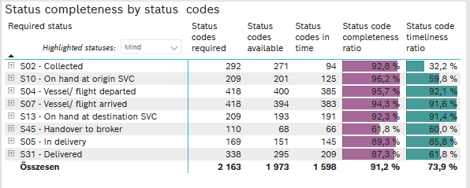
Required status | STATUS_TYPE | Service_Provider | Status codes required | Status codes available | Status codes in time | Status code completeness ratio | Status code timeliness ratio
S02 - Collected | Actual | 0000056066 - Maersk | 146 | 136 | 94 | 93.2 % | 64.4 %
S02 - Collected | Estimated | 0000056066 - Maersk | 146 | 135 | 0 | 92.5 % | 0.0 %
S10 - On hand at origin SVC | Actual | 0000056066 - Maersk | 209 | 201 | 125 | 96.2 % | 59.8 %
S04 - Vessel/ flight departed | Actual | 0000056066 - Maersk | 209 | 202 | 191 | 96.7 % | 91.4 %
S04 - Vessel/ flight departed | Estimated | 0000056066 - Maersk | 209 | 198 | 194 | 94.7 % | 92.8 %
S07 - Vessel/ flight arrived | Actual | 0000056066 - Maersk | 209 | 194 | 189 | 92.8 % | 90.4 %
S07 - Vessel/ flight arrived | Estimated | 0000056066 - Maersk | 209 | 200 | 194 | 95.7 % | 92.8 %
S13 - On hand at destination SVC | Actual | 0000056066 - Maersk | 209 | 193 | 191 | 92.3 % | 91.4 %
S45 - Handover to broker | Actual | 0000056066 - Maersk | 55 | 39 | 39 | 70.9 % | 70.9 %
S45 - Handover to broker | Estimated | 0000056066 - Maersk | 55 | 29 | 27 | 52.7 % | 49.1 %
S05 - In delivery | Actual | 0000056066 - Maersk | 169 | 151 | 145 | 89.3 % | 85.8 %
S31 - Delivered | Actual | 0000056066 - Maersk | 169 | 142 | 60 | 84.0 % | 35.5 %
S31 - Delivered | Estimated | 0000056066 - Maersk | 169 | 153 | 149 | 90.5 % | 88.2 %

